Screen Comparison
Screen Name | Screen Description | PROD Screen | Result |  | Result | UAT4 2nd round | Result
HXBN - HX Paper B-Notice Entry | To add, update, or delete a paper IRS B-Notice (Invalid TIN). | 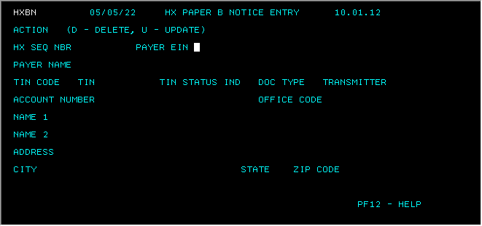 |  | 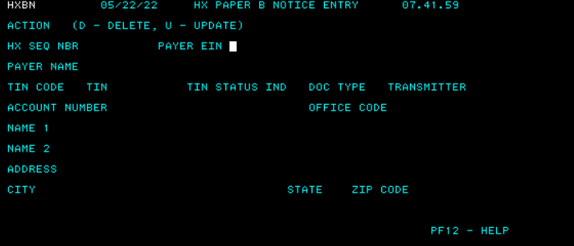
HXB1 - Process Control (Prompt) | To access the Process Control detail screen to add, delete, or update a Process Control Record (PCR). | 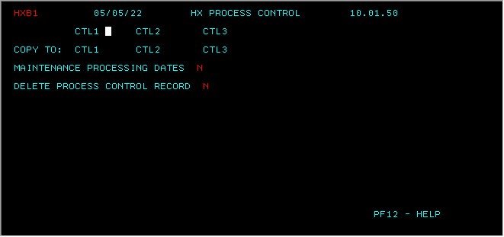 |  | 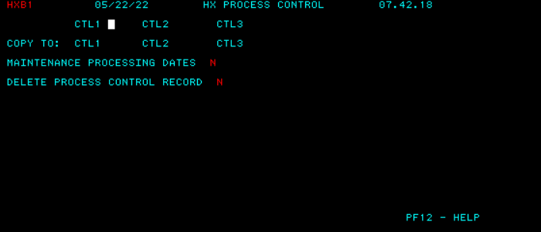
HXB1 - Process Control | To add or update a Process Control Record (PCR). | 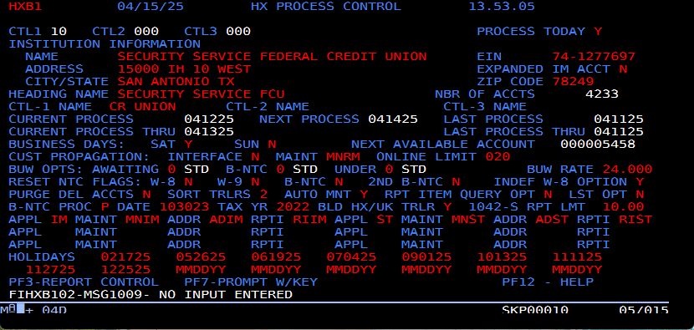 |  | 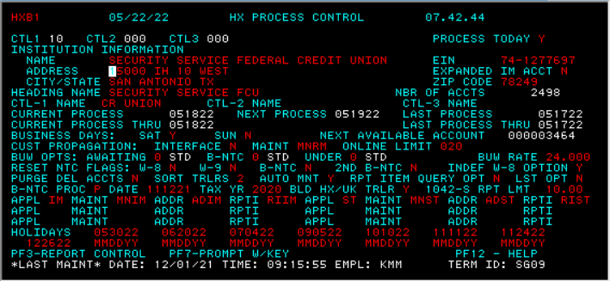 | Correct
HXMN - Certification Tracking Menu | To access the following screens: HXRF - Cross-Reference Inquiry HX01 - Account Add/Maintenance/Delete HXB1 - Process Control HXR1 - Report Control HXTB - TIN/Name Browse Inquiry HX72 - C-Notice Maintenance HXBN - HX Paper B Notice Entry | 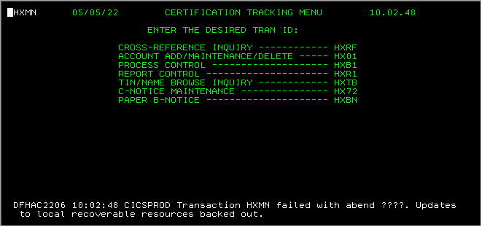 |  | 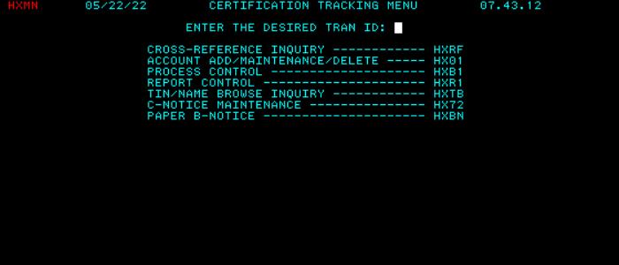
HXRF- Cross Referencve Inquiry (Prompt) | To inquire about accounts in the HX Account Master File | 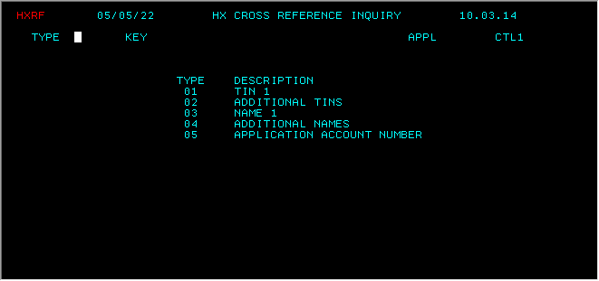
HXRF - Application Account Number inquiry | To display the listings for any selection by product account (Type 05). | 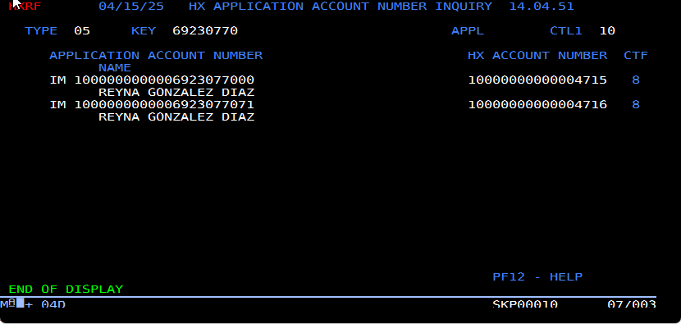
HXRF-TIN Inquiry | To display the listings for any selection by TIN (Types 01 and 02) | 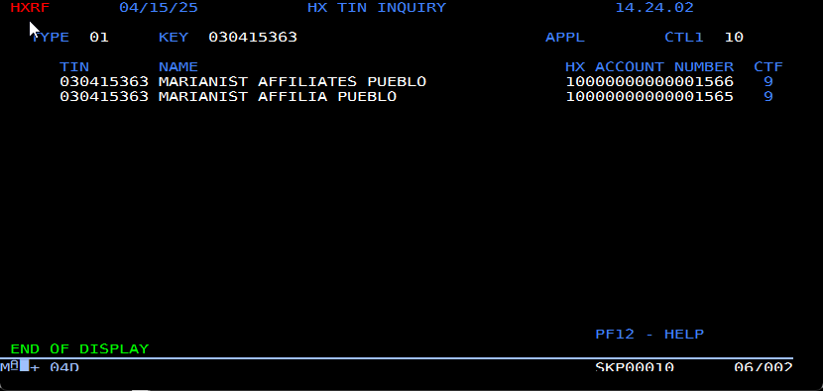
HXRF - Name Inquiry | To display the listings for any selection by Name (Types 03 and 04). | 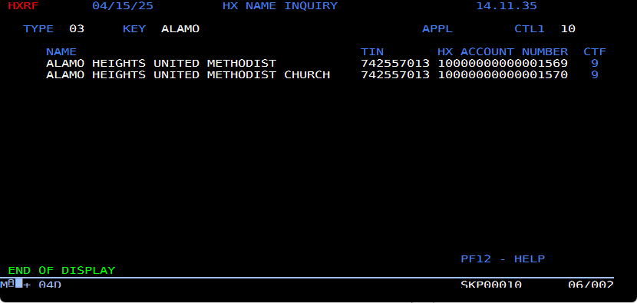
HXR1- Report Control (Prompt) | To access the Report Control detail screen to select processing options for reports and notices. | 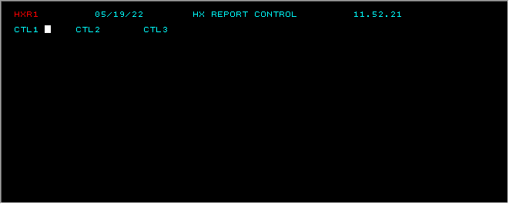
HXR1 - Report Control | To change report information | 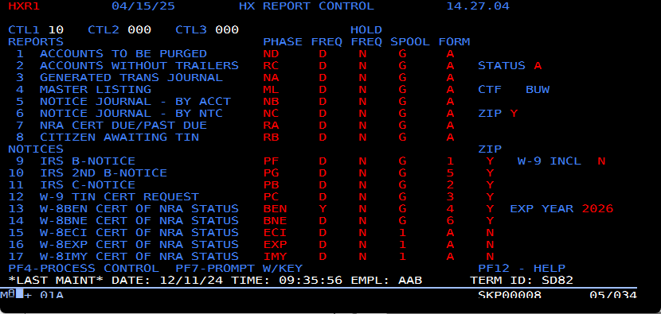
HXTB - TIN/NAME Browse (Prompt) | To access the TIN/Name Browse detail screen. | 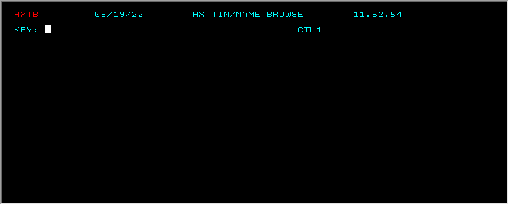
HXTB- TIN Browse | To display the listings matching the TIN entered on the prompt screen. | 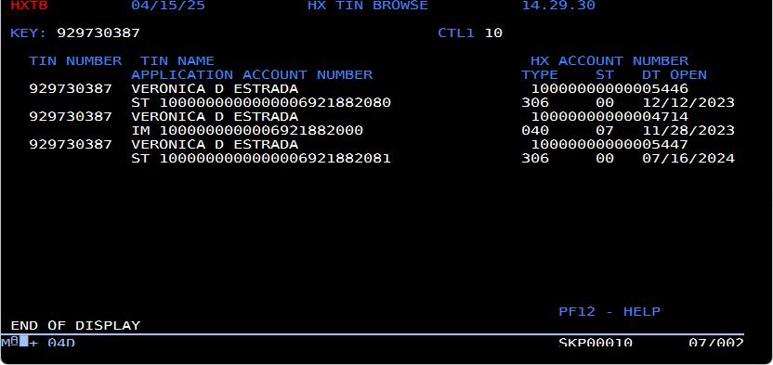
HXTB-Name Browse | To display the listings matching the name entered on the prompt screen. | 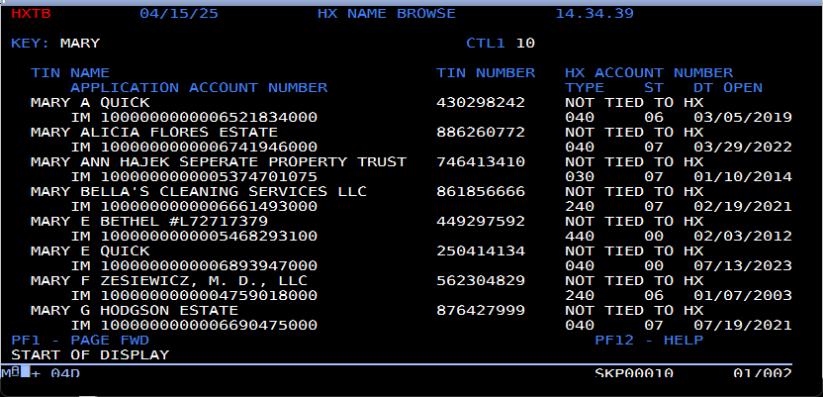
HX01- Maint/Inquiry (Prompt) | To access or delete a citizen or nonresident alien (NRA) account. | 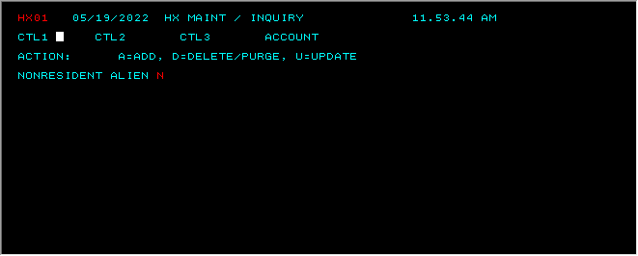 |  | 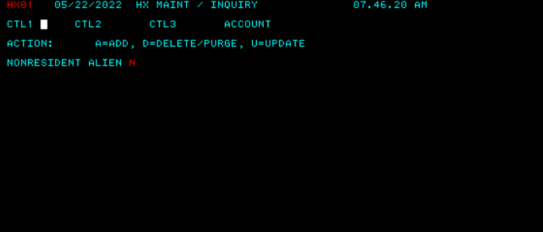
HX01- Citizen Maint/inquiry | To add, update, or inquire about an HX citizen account. | 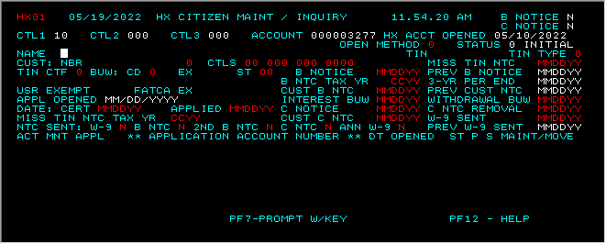 |  | 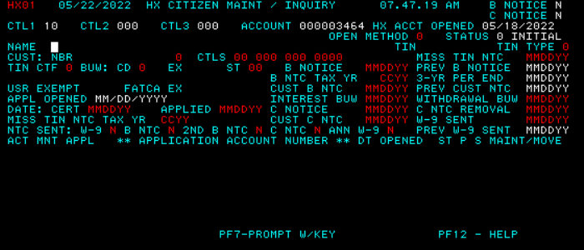
HX01- NRA Maint/Inquiry | To add, update, or inquire about an HX nonresident alien (NRA) account. | 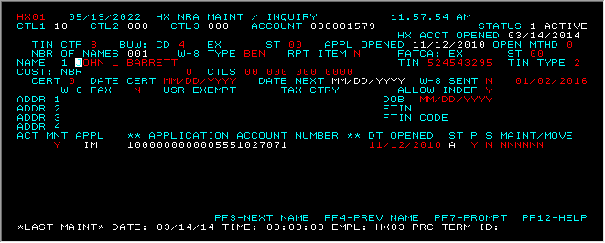 |  | 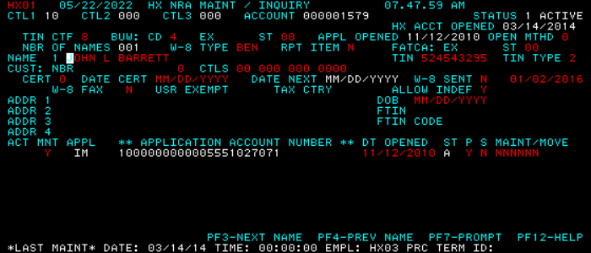
HX01- Citizen Delete/Purge | To delete or purge an HX citizen account. | 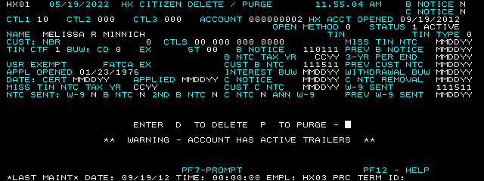 |  | 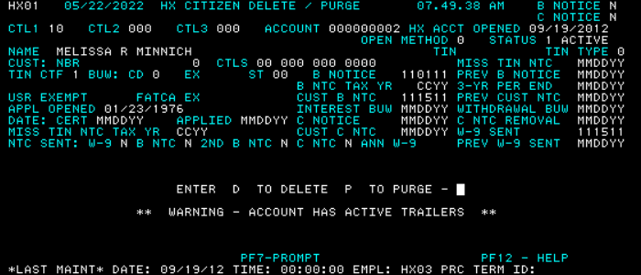
HX01- NRA Delete/Purge | To delete or purge an HX NRA account. | 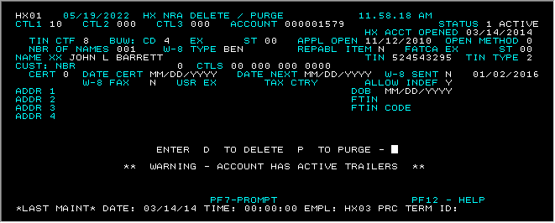 |  | 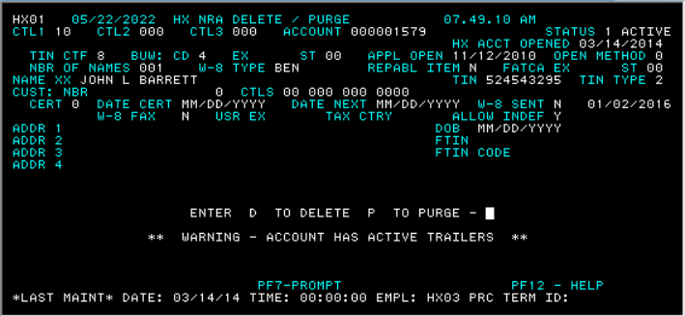
HX72- C-Notice Maintenance (Prompt) | To add, delete, update, or inquire about a C-Notice (Underreported) account. | 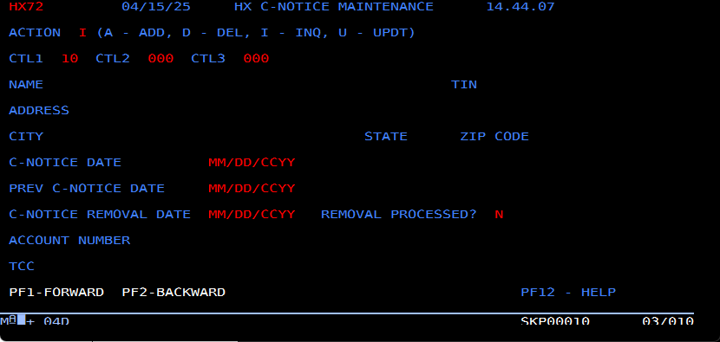 |  | 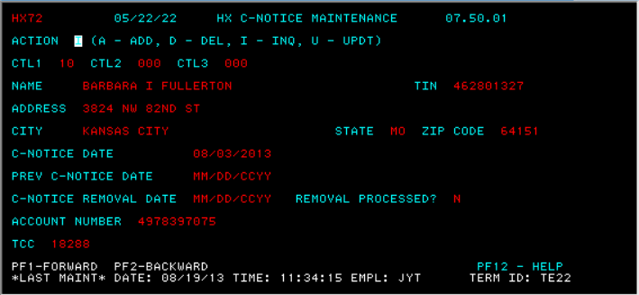
HX72- C-Notice Maintenance | To add, delete, update, or inquire about a C-Notice (Underreported) account. | 